Original
Question Table 1: Transactions |  |  | Question Table 2: Customer History |  |  | Result
Date | Customer ID | Quantity | Date | Customer ID | States | States | Sales
2023-07-18 | C-2 | 40 | 2023-07-01 | C-1 | TA | TA | 155
2023-07-19 | C-5 | 22 | 2023-07-01 | C-2 | NSW | NSW | 360
2023-07-26 | C-4 | 24 | 2023-07-01 | C-3 | NSW | SA | 91
2023-07-27 | C-4 | 12 | 2023-07-01 | C-4 | SA | QLD | 45
2023-07-31 | C-3 | 31 | 2023-07-01 | C-5 | QLD | WA | 208
2023-07-31 | C-3 | 35 | 2023-08-20 | C-5 | WA
2023-08-03 | C-3 | 25 | 2023-08-31 | C-4 | NSW
2023-08-19 | C-4 | 10 | 2023-10-30 | C-3 | TA
2023-08-30 | C-2 | 11 | 2023-11-22 | C-2 | WA
2023-08-31 | C-3 | 25 | 2024-01-03 | C-3 | NSW
2023-09-03 | C-1 | 36 | 2024-02-12 | C-3 | QLD
2023-09-08 | C-3 | 28
Challenge 69: Sales by States!
In Table 1, sales transactions are provided, and the state of each customer is presented in Table 2. Customer states can change over time. Extract the sales per state based on the real-time customer state, as shown in the result table.
For example, the sales in the TA state include all sales to customer C1 (as its state does not change) and the sales to customer C3 between the dates 30/10/2023 and 3/1/2024.
2023-09-09 | C-5 | 11
2023-09-14 | C-1 | 12
2023-10-02 | C-1 | 34
2023-10-02 | C-1 | 25
2023-10-13 | C-4 | 24
2023-10-21 | C-1 | 33
2023-10-23 | C-3 | 23
2023-10-23 | C-5 | 37
2023-11-09 | C-5 | 13
2023-11-10 | C-2 | 35
2023-11-16 | C-5 | 27
2023-12-02 | C-5 | 30
2023-12-04 | C-5 | 13
2023-12-16 | C-4 | 22
2023-12-24 | C-5 | 34
2023-12-26 | C-3 | 15
2024-01-01 | C-2 | 21
2024-01-10 | C-2 | 30
2024-01-14 | C-3 | 24
2024-01-28 | C-4 | 27
2024-02-26 | C-2 | 23
2024-02-28 | C-3 | 10
2024-02-28 | C-4 | 33
2024-03-01 | C-2 | 15
2024-03-27 | C-5 | 14
2024-04-12 | C-3 | 37
2024-04-27 | C-3 | 18

PQ_Alt
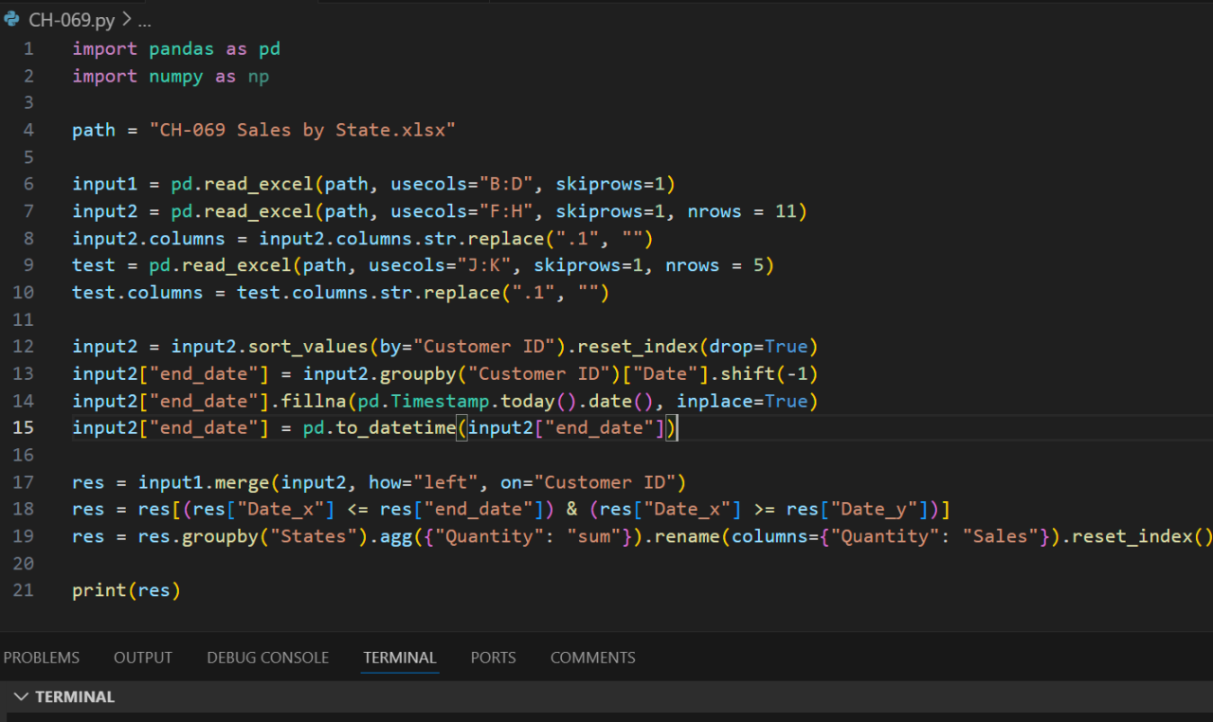
let Source = each Excel.CurrentWorkbook(){[Name = _]}[Content], T = Source("Table2"), s = each [States], S = Table.Sort(Table.Group(Table.AddColumn(Source("Table1"), "States", each let c = each [Customer ID], d = each [Date], t = Table.SelectRows(T, (r) => d(r) <= d(_)) in t[States]{List.PositionOf(c(t), c(_), 1)}), "States", {{"Sales", each List.Sum([Quantity])}}), each List.PositionOf(s(T), s(_))) in S
Question Table 1: Transactions |  |  | Question Table 2: Customer History |  |  | Result
Date | Customer ID | Quantity | Date | Customer ID | States | States | Sales
2023-07-18 | C-2 | 40 | 2023-07-01 | C-1 | TA | TA | 155
2023-07-19 | C-5 | 22 | 2023-07-01 | C-2 | NSW | NSW | 360
2023-07-26 | C-4 | 24 | 2023-07-01 | C-3 | NSW | SA | 91
2023-07-27 | C-4 | 12 | 2023-07-01 | C-4 | SA | QLD | 45
2023-07-31 | C-3 | 31 | 2023-07-01 | C-5 | QLD | WA | 208
2023-07-31 | C-3 | 35 | 2023-08-20 | C-5 | WA
2023-08-03 | C-3 | 25 | 2023-08-31 | C-4 | NSW
2023-08-19 | C-4 | 10 | 2023-10-30 | C-3 | TA | States | Sales
2023-08-30 | C-2 | 11 | 2023-11-22 | C-2 | WA | TA | 155
2023-08-31 | C-3 | 25 | 2024-01-03 | C-3 | NSW | NSW | 383
2023-09-03 | C-1 | 36 | 2024-02-12 | C-3 | QLD | SA | 46
2023-09-08 | C-3 | 28 |  |  |  | QLD | 87
2023-09-09 | C-5 | 11 |  |  |  | WA | 268
2023-09-14 | C-1 | 12
2023-10-02 | C-1 | 34
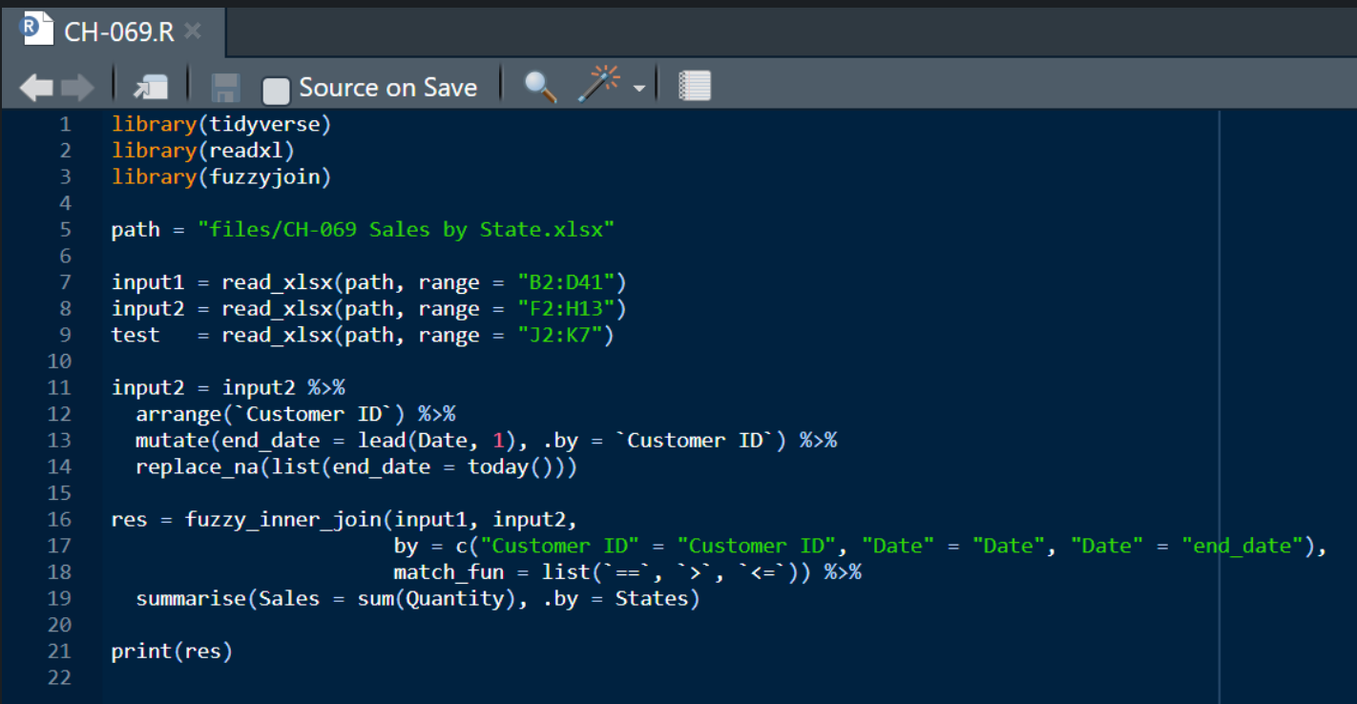
2023-10-02 | C-1 | 25 |  | NSW | 383
2023-10-13 | C-4 | 24 |  | QLD | 87
2023-10-21 | C-1 | 33 |  | SA | 46
2023-10-23 | C-3 | 23 |  | TA | 155
2023-10-23 | C-5 | 37 |  | WA | 268
2023-11-09 | C-5 | 13
2023-11-10 | C-2 | 35
2023-11-16 | C-5 | 27
2023-12-02 | C-5 | 30
2023-12-04 | C-5 | 13
2023-12-16 | C-4 | 22
2023-12-24 | C-5 | 34
2023-12-26 | C-3 | 15
2024-01-01 | C-2 | 21
2024-01-10 | C-2 | 30
2024-01-14 | C-3 | 24
2024-01-28 | C-4 | 27
2024-02-26 | C-2 | 23
2024-02-28 | C-3 | 10
2024-02-28 | C-4 | 33
2024-03-01 | C-2 | 15
2024-03-27 | C-5 | 14
2024-04-12 | C-3 | 37
2024-04-27 | C-3 | 18

